Sales Portal_STG_Table
Target Table: sales_portal_sales_employee |  | Source Tables |  |  | Transformation | Description | Remark
Column Name | Primary Key | Table Name | Column Name | Data Type | Query Parameter: select customer__c.salesOrg__c SalesOrg,customer__c.distnibutionChannel__c Distribution_Channel,customer__c.division__c division,customer__c.soldToShipTo__c Sold_to_Party,sales__c.userID__c Sales_Employee_Code,sales__c.name Sales_Employee_Name,startDate__c from_date,endDate__c to_date from salesAccMapping__c
id | PK |  | id |  | Copy source to target | system id
SalesOrg | PK |  | SalesOrg |  | Copy source to target | SalesOrg
Distribution Channel | PK |  | Distribution_Channel |  | Copy source to target | Distribution Channel
Division | PK |  | Division |  | Copy source to target | Division
Sold to Party | PK |  | Sold_to_Party |  | Copy source to target | Sold to Party
Sales Employee Code | PK |  | Sales_Employee_Code |  | Copy source to target | Sales Employee Code
Sales Employee Name |  |  | Sales_Employee_Name |  | Copy source to target | Sales Employee Name
From Date |  |  | From_Date |  | Copy source to target | From Date
To Date |  |  | To_Date |  | Copy source to target | To Date

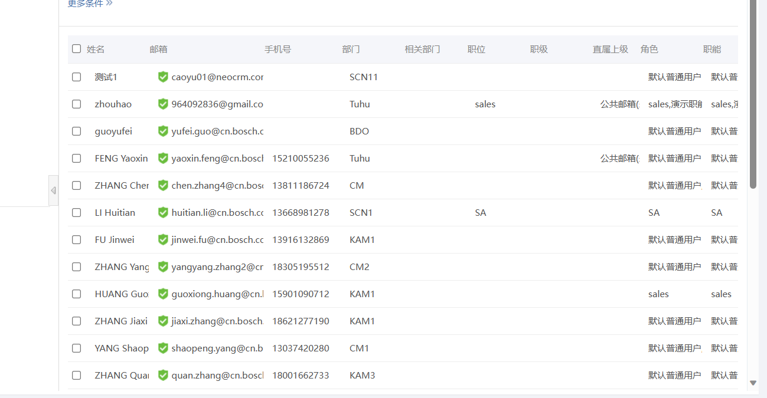
Target Table: sales_portal_user |  | Source Tables |  |  | Transformation | Description | Remark
Column Name | Primary Key | Table Name | Column Name | Data Type | Query Parameter:select id, name Employee_Name, userID__c Employee_Code, managerId.userID__c Line_Manager_Code, managerId.name Line_Manager_Name, positionName Position_Name， dimDepart.departName Department_Name, dimDepart.departCode Department_Code, personalEmail Email from user
id | PK | user | id |  | Copy source to target | system id
Employee Code | PK | user | Employee_Code | String | Copy source to target | Employee Code in Sales Portal. The employee includes sales, sales team leader,sales department manager, sales admin, ect..
Employee Name |  | user | Employee_Name | String | Copy source to target | Employee name in Sales Portal. The employee includes sales, sales team leader,sales department manager, sales admin, ect..
Department Code |  | user | Department_Code | Long | Copy source to target | Department Name in Sales Portal. If the employee is a normal sales, data in this field show the department in lowest level. If the employee is a manager, data in this field show the department that the employee is responsible for.
Department Name |  | user | Department_Name | Long | Copy source to target | Department Name in Sales Portal. If the employee is a normal sales, data in this field show the department in lowest level. If the employee is a manager, data in this field show the department that the employee is responsible for.
Position Name |  | user | Position_Name | String | Copy source to target | Position Name. Such as sales, TL, TSO, SA, ect..
Line Manager Code |  | user | Line_Manager_Code | Long | Copy source to target | The person who the employee report to.
Line Manager Name |  | user | Line_Manager_Name | Long | Copy source to target | The person who the employee report to.
Email |  | user | Email | String |  | Email

Target Table:sales_portal_department |  | Source Tables |  |  | Transformation | Description | Remark
Column Name | Primary Key | Table Name | Column Name | Data Type | Query Parameter:Select id, departCode Department_Code, departName Department_Name, parentDepartId Parent_DepartId From department
id | PK | user | id |  | Copy source to target | system id
Department Code | PK | department | Department_Code | text | Copy source to target | Sales Department Code in Sales Portal
Department Name |  | department | Department_Name | text | Copy source to target | Sales Department Name in Sales Portal
Parent DepartId |  | department | Parent_DepartId | reference | Copy source to target | Parent DepartId

Target Table:SA_related_department |  | Source Tables |  |  | Transformation | Description | Remark
Column Name | Primary Key | Table Name | Column Name | Data Type | take id of user table(Not User ID) of SA data as parameter and query the related department of SA
id | PK | user API | id(user table) |  | Copy source to target | Employee code of SA data in Sales Portal.
Employee Code | PK | user API | Employee Code |  | Copy source to target | Employee code of SA data in Sales Portal.
Related Department ID | PK | Related Department API | id |  | Copy source to target | Related Department ID
Related Department Code |  | Related Department API | departCode |  | Copy source to target | Related Department Code
Related Department Name |  | Related Department API | departName |  | Copy source to target | Related Department Name
Parent DepartId |  | Related Department API | parentDepartId |  | Copy source to target | Parent DepartId

DWD_Sales Portal_Sales Manger
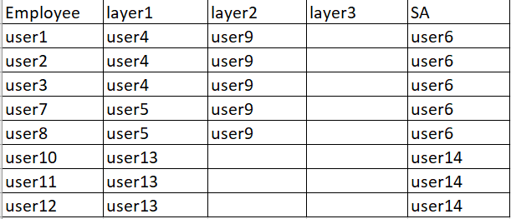
Target Table |  | Source Tables |  |  | Transformation | Description | Remarks | Status
Column Name | Primary Key | Table Name | Column Name | Data Type
Sales Organization | PK | sales portal_user | Sales Organization |  | Default ='CN20' | Sales Organization
Channel | PK | sales portal_user | Channel |  | Default ='G1' | Channel
Division | PK | sales portal_user | Division |  | Default ='40' | Division
Sales Employee Code | PK | sales portal_user | Sales Employee Code |  | Copy source to target with Filter "Position Name"=sales | Sales Employee Code
Sales Employee Name |  | sales portal_user | Sales Employee Name |  | Copy source to target with Filter "Position Name"=sales | Sales Employee Name
layer1 Code |  | sales portal_user | layer1 Code |  | 1. Fill Layer1 Code with line manager code and Layer1 Name with line manager name sales; 2. Fill Layer2 Code with line manager code of TL ("Position Name"=TL) and Layer2 Name with line manager name of TL(Filter "Position Name"=TL); 3. Fill Layer3 Code with line manager code of TSO ("Position Name"=TSO) and Layer3 Name with line manager name of TSO (Filter "Position Name"=TSO) ; 4. For sales data without TL (layer2 code <>' ' or layer2 code is not null) , Fill Layer2 Code with line manager code of TSO (Filter "Position Name"=TSO) and Layer2 Name with line manager name of TSO (Filter "Position Name"=TSO) | layer1 Code
layer1 Name |  | sales portal_user | layer1 Name |  |  | layer1 Name
layer2 Code |  | sales portal_user | layer2 Code |  |  | layer2 Code
layer2 Name |  | sales portal_user | layer2 Name |  |  | layer2 Name
layer3 Code |  | sales portal_user | layer3 Code |  |  | layer3 Code
layer3 Name |  | sales portal_user | layer3 Name |  |  | layer3 Name
layer4 Code |  | sales portal_user | layer4 Code |  |  | layer4 Code
layer4 Name |  | sales portal_user | layer4 Name |  |  | layer4 Name
layer5 Code |  | sales portal_user | layer5 Code |  |  | layer5 Code
layer5 Name |  | sales portal_user | layer5 Name |  |  | layer5 Name
SA code |  | sales_portal_user,sales_portal_department,SA_related_department | Sales Employee Name,Position Name, Department Code, Related Department Code |  | 1. SA and department: Select Employee Code,Department code from sales_portal_user Where Position Name= 'SA' Union All Select Employee Code ,Related Department Code from SA_related_department 2. Map employee code of "SA and department" to Sales data ("Position Name"= sales) with department code | SA code
SA Name |  | user | Sales Employee Name |  | Copy source to target with SA code= Sales Employee Code | SA Name

 |  |  |  | Example:

 |  |  |  | From:
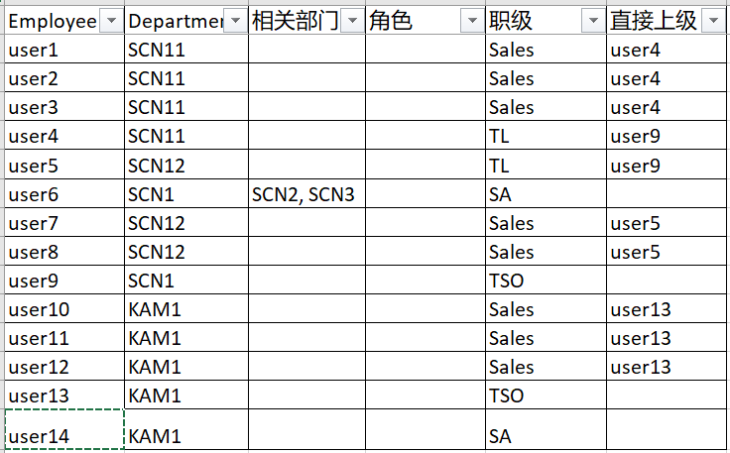

 |  |  |  | to:

